Sheet1
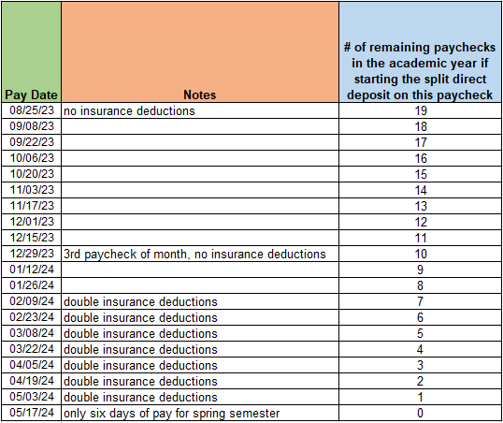
Split direct deposit amount calculator for setting aside funds for summer
Note: Summer in this context includes the second half of May through the first half of August

Monthly Summer Funds Desired

Number of paychecks with set-aside split direct deposit

Biweekly amount to split direct deposit to second account | #DIV/0!

Total amount that will be sent to your second bank account | #DIV/0!

