Airfare Comparison Instructions
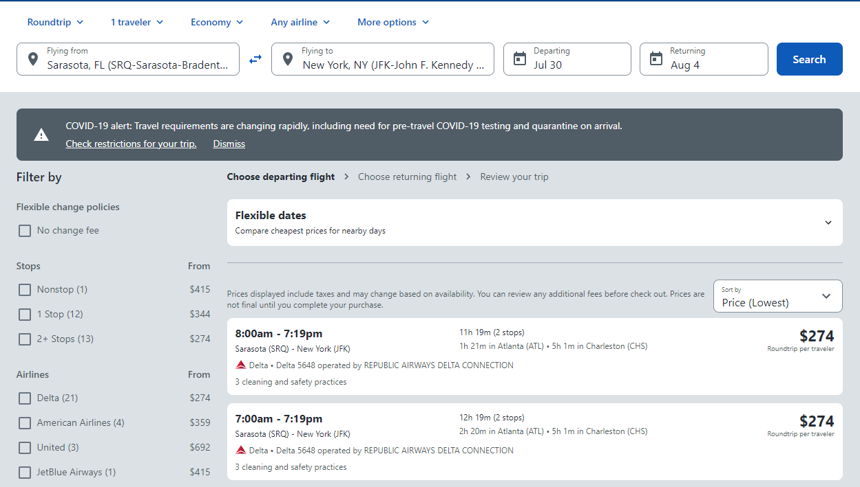
PRICE COMPARISON | 2021-2022
 | AIRFARE PRICE COMPARISON INSTRUCTIONS FOR CONFERENCE PRESENTATION GRANT PROGRAM (CPGP)

 | How to Create an Airfare Price Comparison

 |  | When is the Airfare Price Comparison Required?
 |  | • Are you flying outside the allowable dates (allowable dates are leaving 1 day before the conference and retuning 1 day after the conference)?
 |  | • Are you flying from an airport other than Sarasota or to an airport that is not the closest commercial airport to the conference?
 |  | • Does your airfare exceed $500.00 for North America (including Canada, Mexico, Puerto Rico and U.S. Virgin Islands)?
 |  | • Does your airfare exceed $1,250.00 for International Flights outside of North America?
 |  | • Are you driving your personal car out-of-the State of Florida?
 |  | • Are you booking two one-way plane tickets instead of a round trip ticket?
 |  | If you answered YES to any of the above questions, then you must submit a flight comparison
 |  |  | • This price comparison MUST be done Prior to your departure to reflect a true price comparison. Please save the price comparison and submit it with your receipts.
 |  |  | • This price comparison must be submitted with your receipts within 3 business days after your travel. The price comparison and receipts can be sent to cmuphoff@usf.edu
 |  |  | • The University will reimburse the traveler for the most economical alternative, whether it is the flight purchased or the airfare flight comparison.

 |  | Here are the steps to complete a flight comparison:

 |  | • Go to Travelocity.com or another Travel Site
 |  |  | https://www.travelocity.com



 |  | • Ensure to click on the flight and roundtrip options only
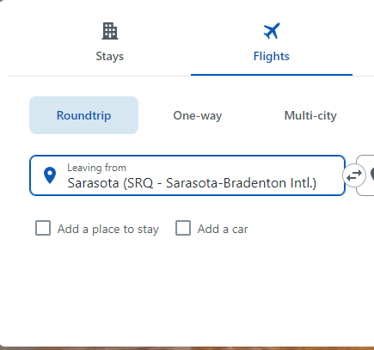
Example: Official Conference Dates are 7/31/21 – 08/03/21
Please note that the flight dates entered should be set one day before and one day after the official conference dates.

 |  | • In the Flying from section type “SRQ” Sarasota International Airport (unless the traveler is a distance learning student)
 |  | • Distance learning students should enter the closest airport where they are located
 |  | • If this is an international flight (i.e. leaving the United States of America) then the departure date should be set as 1 day before the date of the conference and the returning
 |  | flight should be set to 1 day after the end date of the conference
 |  | • After entering the appropriate information in the required fields, click the green search tab |  | the result of your search will look very similar to the image below. Print or
 |  | submit a PDF of the entire first page of the results showing clearly the details relevant to the flight including the departure and arrival airports as well as the flight dates

